Q1
Question 1 | Prepare a pivot (as per screenshot below)

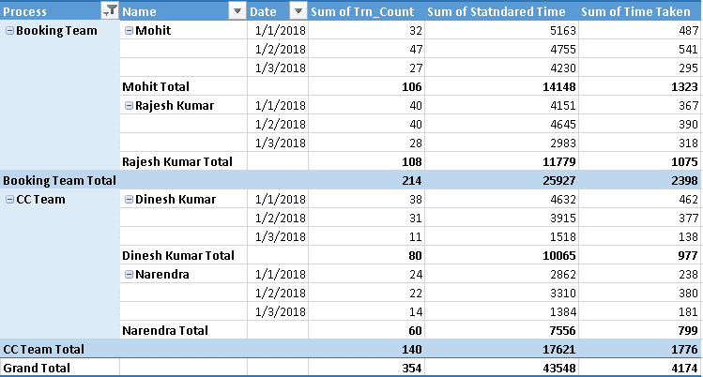
 |  | Process | Name | Date | Sum of Trn_Count | Sum of Statndared Time | Sum of Time Taken
 |  | Booking Team | Mohit | 2018-01-01 | 32 | 5163 | 487
 |  |  |  | 2018-01-02 | 47 | 4755 | 541
 |  |  |  | 2018-01-03 | 27 | 4230 | 295
 |  |  | Mohit Total |  | 106 | 14148 | 1323
 |  |  | Rajesh Kumar | 2018-01-01 | 40 | 4151 | 367
 |  |  |  | 2018-01-02 | 40 | 4645 | 390
 |  |  |  | 2018-01-03 | 28 | 2983 | 318
 |  |  | Rajesh Kumar Total |  | 108 | 11779 | 1075
 |  | Booking Team Total |  |  | 214 | 25927 | 2398
 |  | CC Team | Dinesh Kumar | 2018-01-01 | 38 | 4632 | 462
 |  |  |  | 2018-01-02 | 31 | 3915 | 377
 |  |  |  | 2018-01-03 | 11 | 1518 | 138
 |  |  | Dinesh Kumar Total |  | 80 | 10065 | 977
 |  |  | Narendra | 2018-01-01 | 24 | 2862 | 238
 |  |  |  | 2018-01-02 | 22 | 3310 | 380
 |  |  |  | 2018-01-03 | 14 | 1384 | 181
 |  |  | Narendra Total |  | 60 | 7556 | 799
 |  | CC Team Total |  |  | 140 | 17621 | 1776
 |  | Grand Total |  |  | 354 | 43548 | 4174

